Casos y Ejecuciones
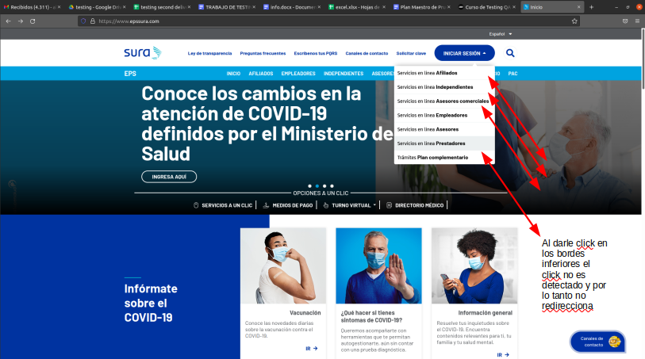
Código del Caso de Prueba | Nro. Paso | Título | Nombre del módulo / subsistema / función / caso de uso | Prioridad | Tipo de Caso/ Transacción / Operación | TIPO | Steps | Resultado Esperado | Screenshots
 |  | HOME PAGE SECTION FLOW
TC1 |  | Home page login links | Login Links | ALTA | FUNCIONAL | NEGATIVO
 | 1 |  |  |  |  |  | Access to the web page: https://www.epssura.com/ | The web page is accessible from the browser
 | 2 |  |  |  |  |  | Click the "Iniciar Sesión" section located on the upper-right corner | The button deploys an option list
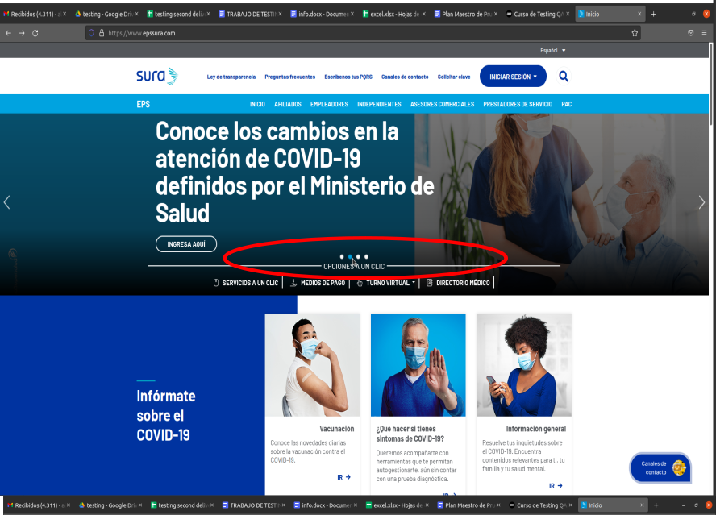
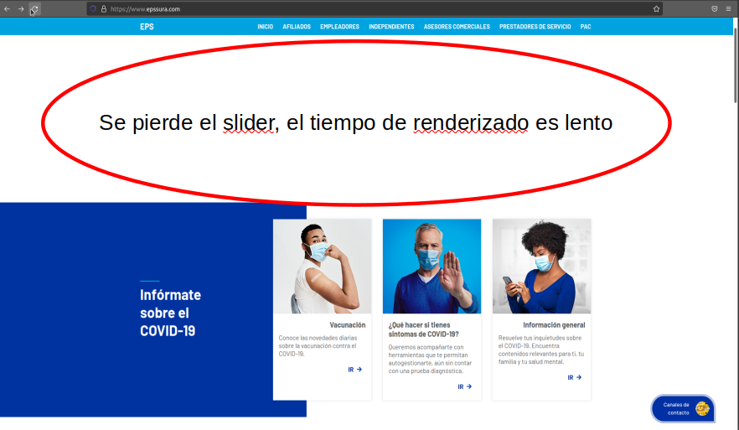
 | 3 |  |  |  |  |  | Click any option of the list but below the text | The input fields are working correctly to type the requiere information
TC2 |  | Images Slider with render delays | Image Slider | BAJA | VISUAL | NEGATIVO
 | 1 |  |  |  |  |  | Access to the web page: https://www.epssura.com/ | The web page is accessible from the browser
 | 2 |  |  |  |  |  | Click simultaneously times the image switcher | The image slider change correctly the advertisment
 | 3 |  |  |  |  |  | Refresh the web page | After some seconds the image slider renders, it can make people think the web page is having some troubles in render process
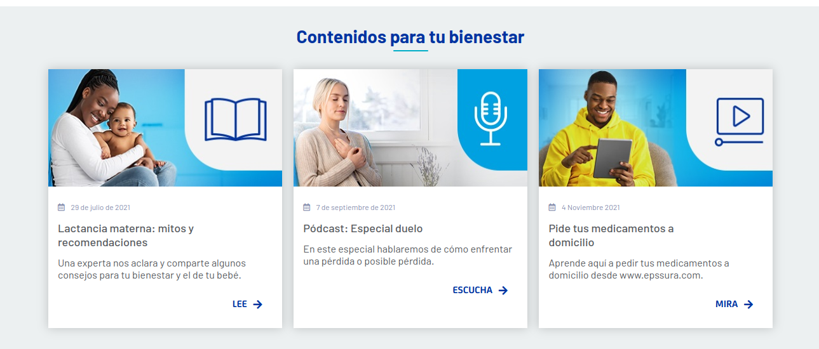
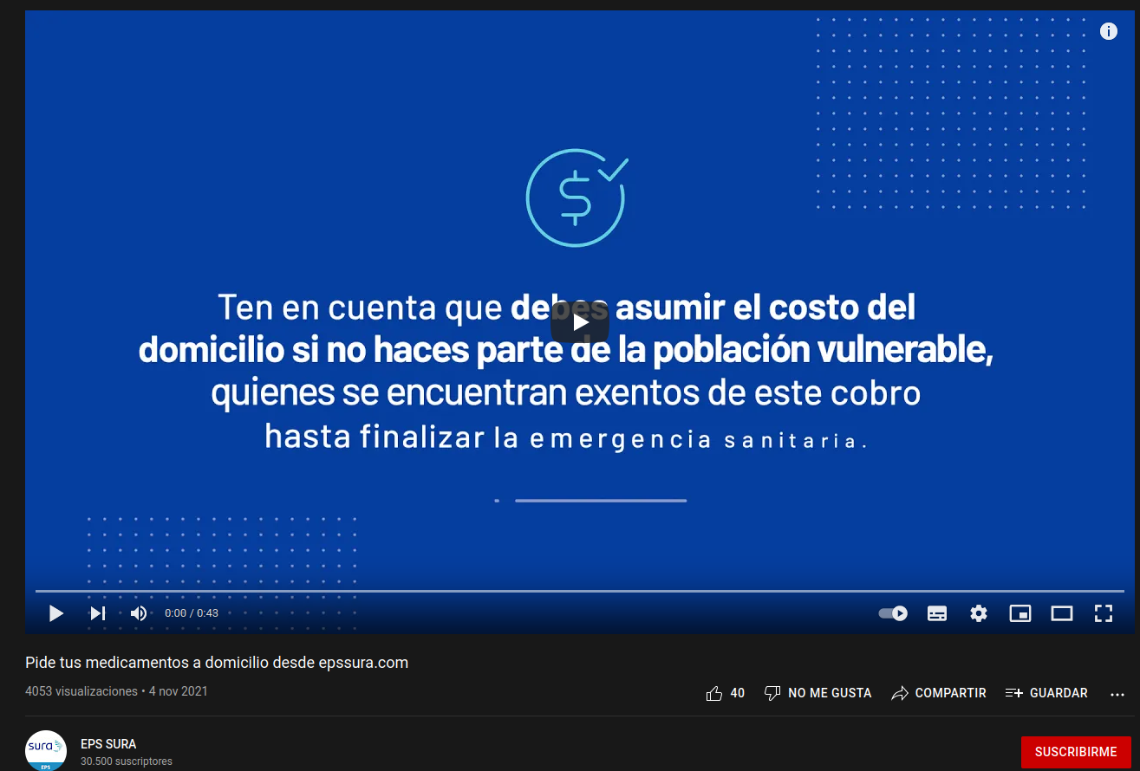

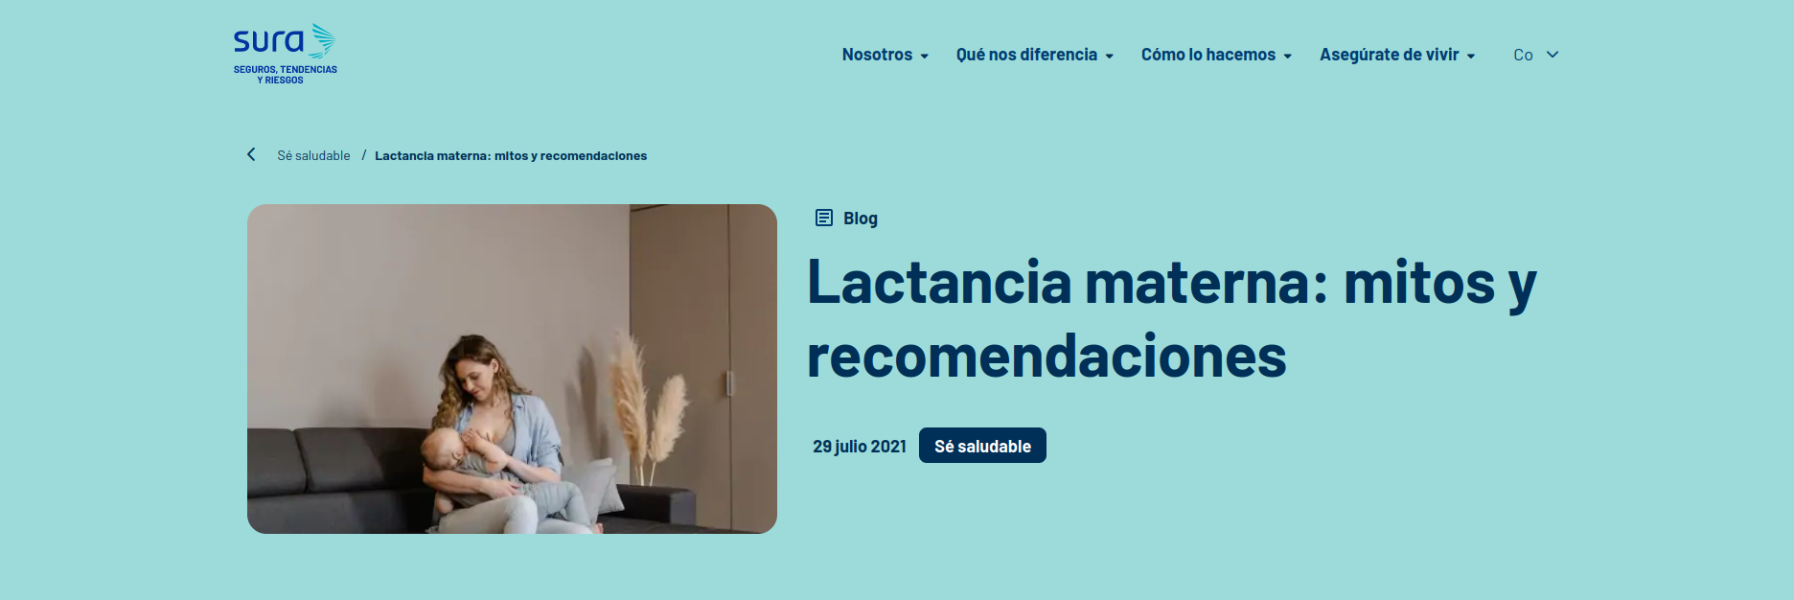
TC3 |  | Cards flow at home page | Info cards | BAJA | FUNCIONAL | POSITIVO
 | 1 |  |  |  |  |  | Access to the web page: https://www.epssura.com/ | The web page is accessible from the browser
 | 2 |  |  |  |  |  | Scroll down till the "contenidos para tu bienestar" carousel of cards appear | The cards carousel is on the view
 | 3 |  |  |  |  |  |  | Each of the redirect links are working properly
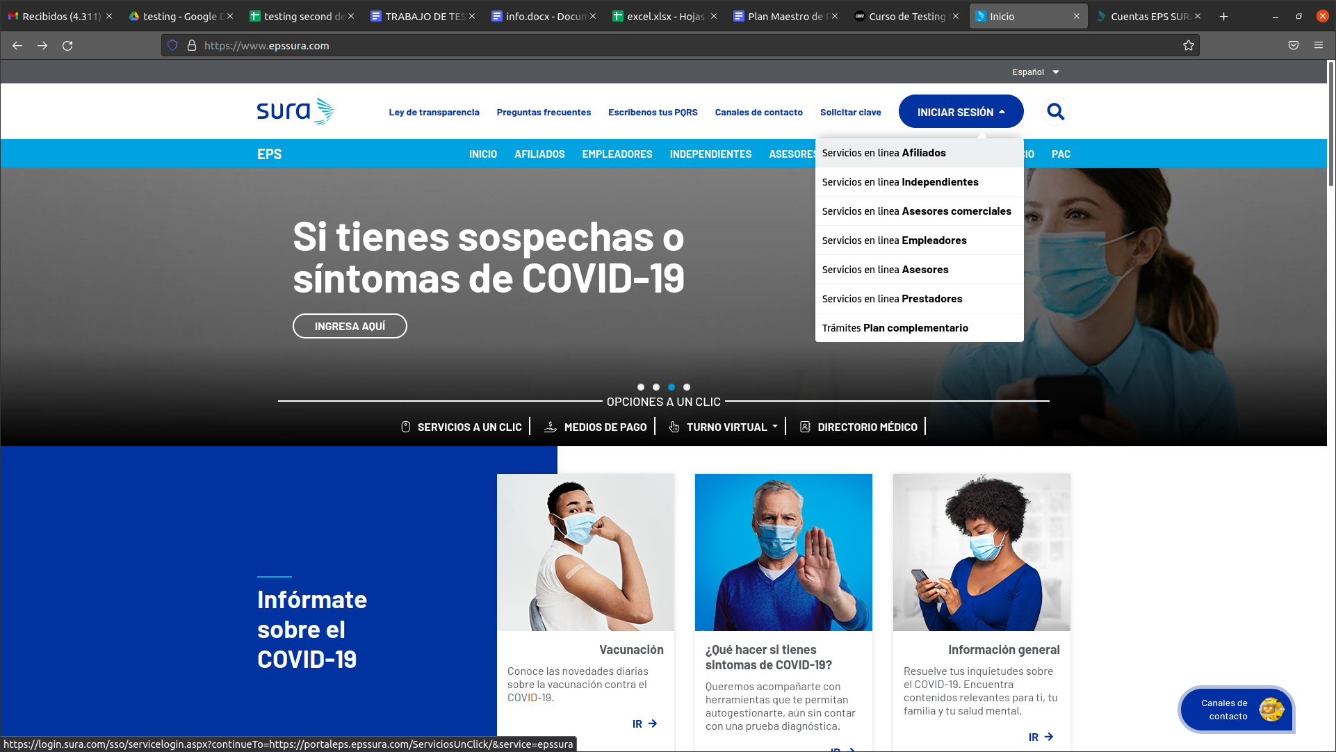
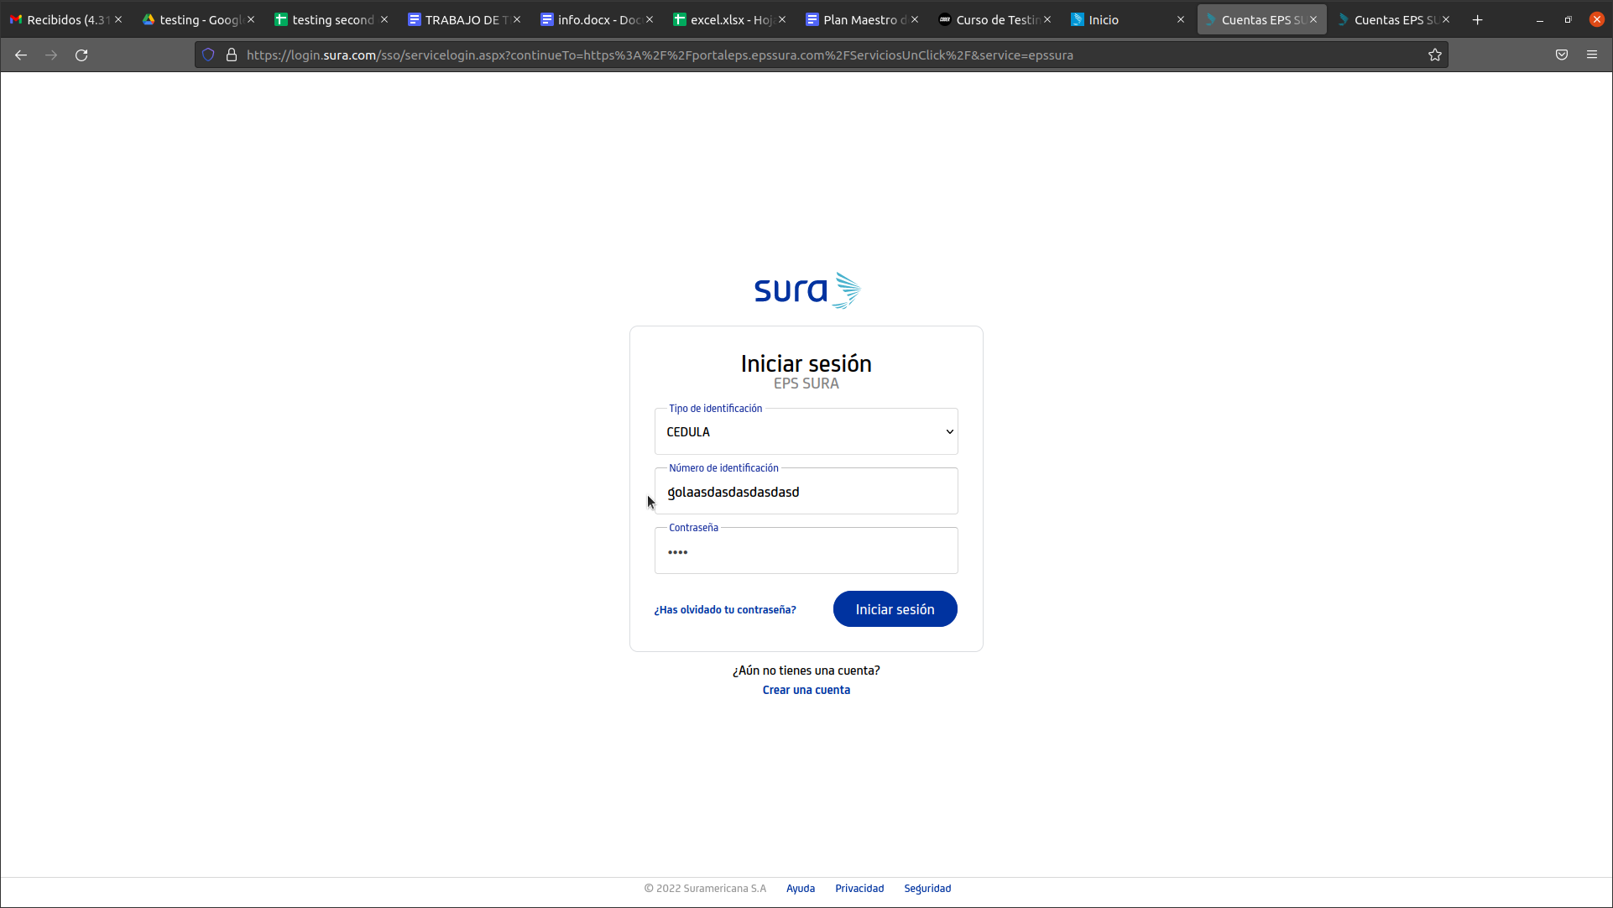
 |  | AFFILIATES LOGIN SECTION FLOW
TC4 |  | Affiliates Login | Login | ALTA | FUNCIONAL | NEGATIVO
 | 1 |  |  |  |  |  | Access to the web page: https://www.epssura.com/ | The web page is accessible from the browser
 | 2 |  |  |  |  |  | Click the "Iniciar Sesión" section located on the upper-right corner | The button deploys an option list
 | 3 |  |  |  |  |  | Click on affiliate services | The page redirects the view to the login interface
 | 4 |  |  |  |  |  | Choose "Cedula" as id type which is the national personal identification(For all the colombian people this document is compound of numbers not letters) | The list choose the option
 | 5 |  |  |  |  |  | Type on "numero de identificación" letters, the input is allowing any kind of character | Wrong characters are being type on number input
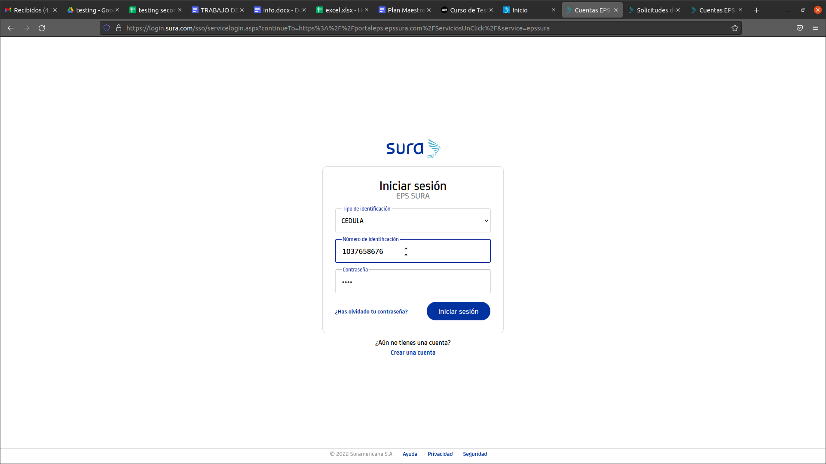
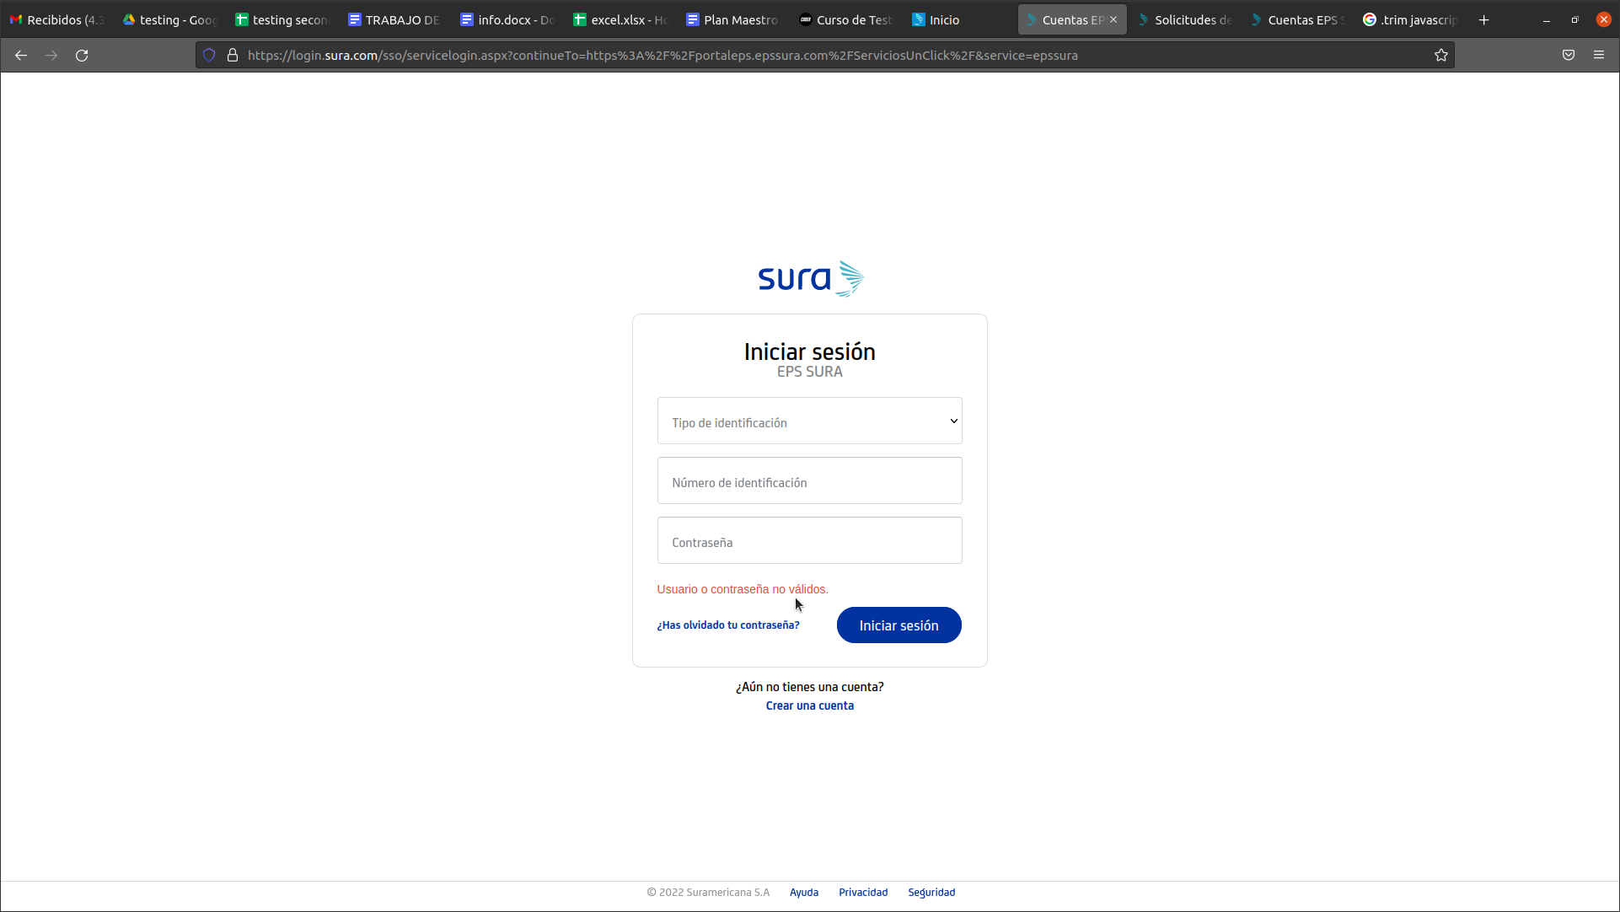
TC5 |  | Empty valid characters | Login | ALTA | FUNCIONAL | NEGATIVO
 | 1 |  |  |  |  |  | Access to the web page: https://www.epssura.com/ | The web page is accessible from the browser
 | 2 |  |  |  |  |  | Click the "Iniciar Sesión" section located on the upper-right corner | The button deploys an option list
 | 3 |  |  |  |  |  | Click on affiliate services | The page redirects the view to the login interface
 | 4 |  |  |  |  |  | Choose "Cedula" as id type which is the national personal identification | The list choose the option
 | 5 |  |  |  |  |  | Type an id and at the end press space several times | The input takes space character as a valid data to complete id box
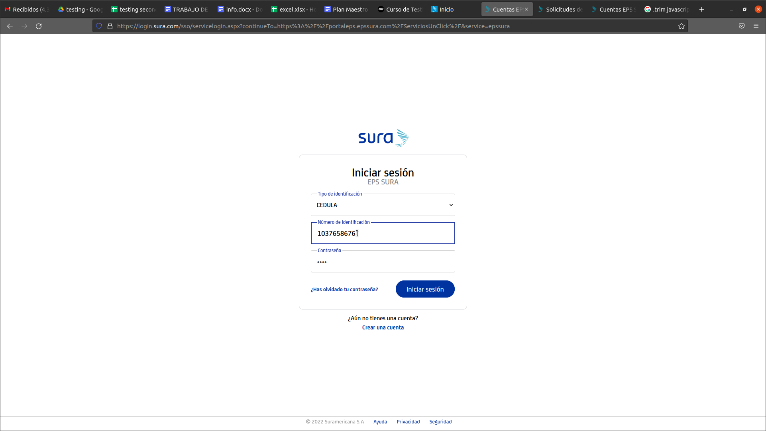
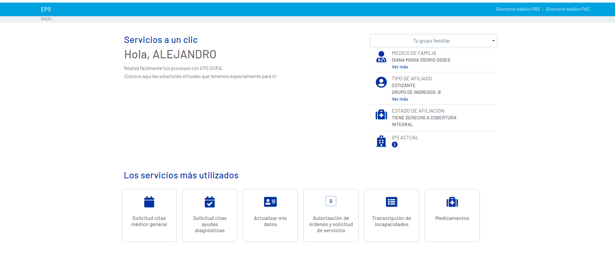
TC6 |  | Successfull Login | Login | ALTA | FUNCIONAL | POSITIVO
 | 1 |  |  |  |  |  | Access to the web page: https://www.epssura.com/ | The web page is accessible from the browser
 | 2 |  |  |  |  |  | Click the "Iniciar Sesión" section located on the upper-right corner | The button deploys an option list
 | 3 |  |  |  |  |  | Click on affiliate services | The page redirects the view to the login interface
 | 4 |  |  |  |  |  | Choose "Cedula" as id type which is the national personal identification | The list choose the option
 | 5 |  |  |  |  |  | Type a correct id and a valid password | The inputs store the user inputs
 |  |  |  |  |  |  | Click "iniciar sesión" button | The user is looged and have his/her personal interface
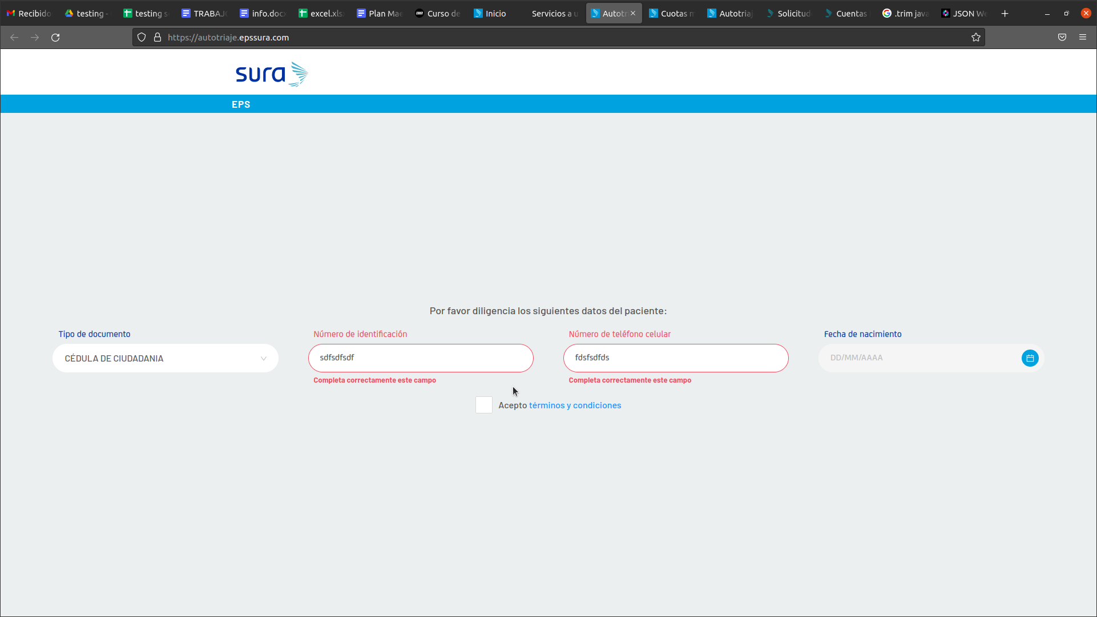
 |  | MEDICAL APPOINTMENTS REQUESTS
TC7 |  | Medical Appointments View | MA Form | ALTA | FUNCIONAL | POSITIVO
 | 1 |  |  |  |  |  | Access to the web page: https://www.epssura.com/ | The web page is accessible from the browser
 | 2 |  |  |  |  |  | Click the "Iniciar Sesión" section located on the upper-right corner | The button deploys an option list
 | 3 |  |  |  |  |  | Click on affiliate services | The page redirects the view to the login interface
 | 4 |  |  |  |  |  | Choose "Cedula" as id type which is the national personal identification | The list choose the option
 | 5 |  |  |  |  |  | Type a correct id and a valid password | The inputs store the user inputs
 | 6 |  |  |  |  |  | Click "iniciar sesión" button | The user is looged and have his/her personal interface
 | 7 |  |  |  |  |  | Click on "solicitud citas medico general" card located on the left bottom side of the user logged interface | The view is redirected to the medical appointments form
 |  |  |  |  |  |  | Type on the empty inputs, invalid or wrong caracters | An error red color is shining on the label when invalid characters are used

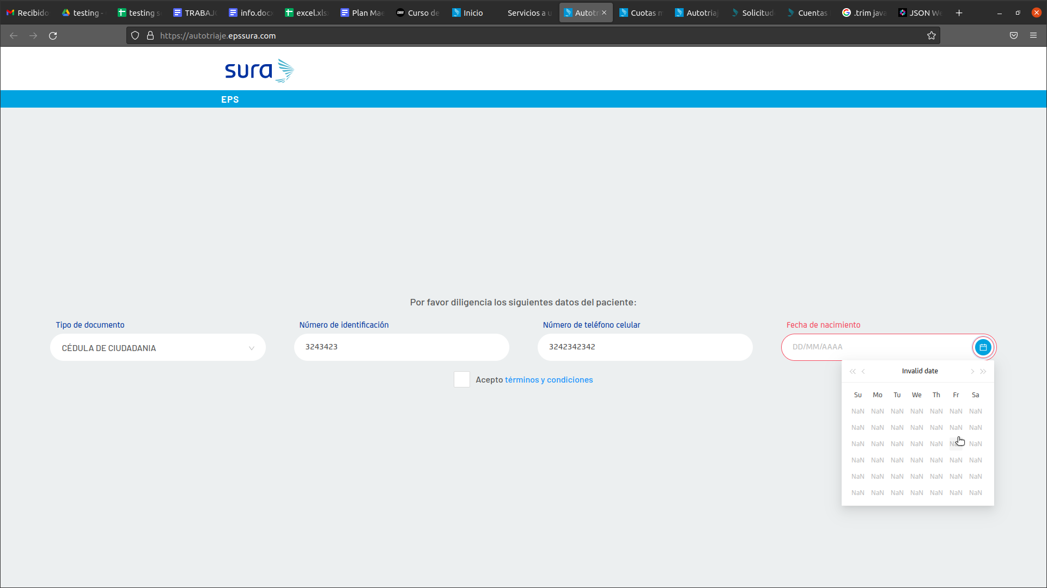
TC8 |  | Medical Appointments View Calendar | MA Form | MEDIA | FUNCIONAL | NEGATIVO
 | 1 |  |  |  |  |  | Access to the web page: https://www.epssura.com/ | The web page is accessible from the browser
 | 2 |  |  |  |  |  | Click the "Iniciar Sesión" section located on the upper-right corner | The button deploys an option list
 | 3 |  |  |  |  |  | Click on affiliate services | The page redirects the view to the login interface
 | 4 |  |  |  |  |  | Choose "Cedula" as id type which is the national personal identification | The list choose the option
 | 5 |  |  |  |  |  | Type a correct id and a valid password | The inputs store the user inputs
 | 6 |  |  |  |  |  | Click "iniciar sesión" button | The user is looged and have his/her personal interface
 | 7 |  |  |  |  |  | Click on "solicitud citas medico general" card located on the left bottom side of the user logged interface | The view is redirected to the medical appointments form
 | 8 |  |  |  |  |  | Type on the date picker rare dates like "56/56/5656" | The input allows any number
 | 9 |  |  |  |  |  | Erase weird date | The input allows erasing typed text
 | 10 |  |  |  |  |  | Press calendar icon | NaN values appear in all the date picker entries
TC9 |  | Home(default) view | Date below the top menu | ALTA | VISUAL | POSITIVO
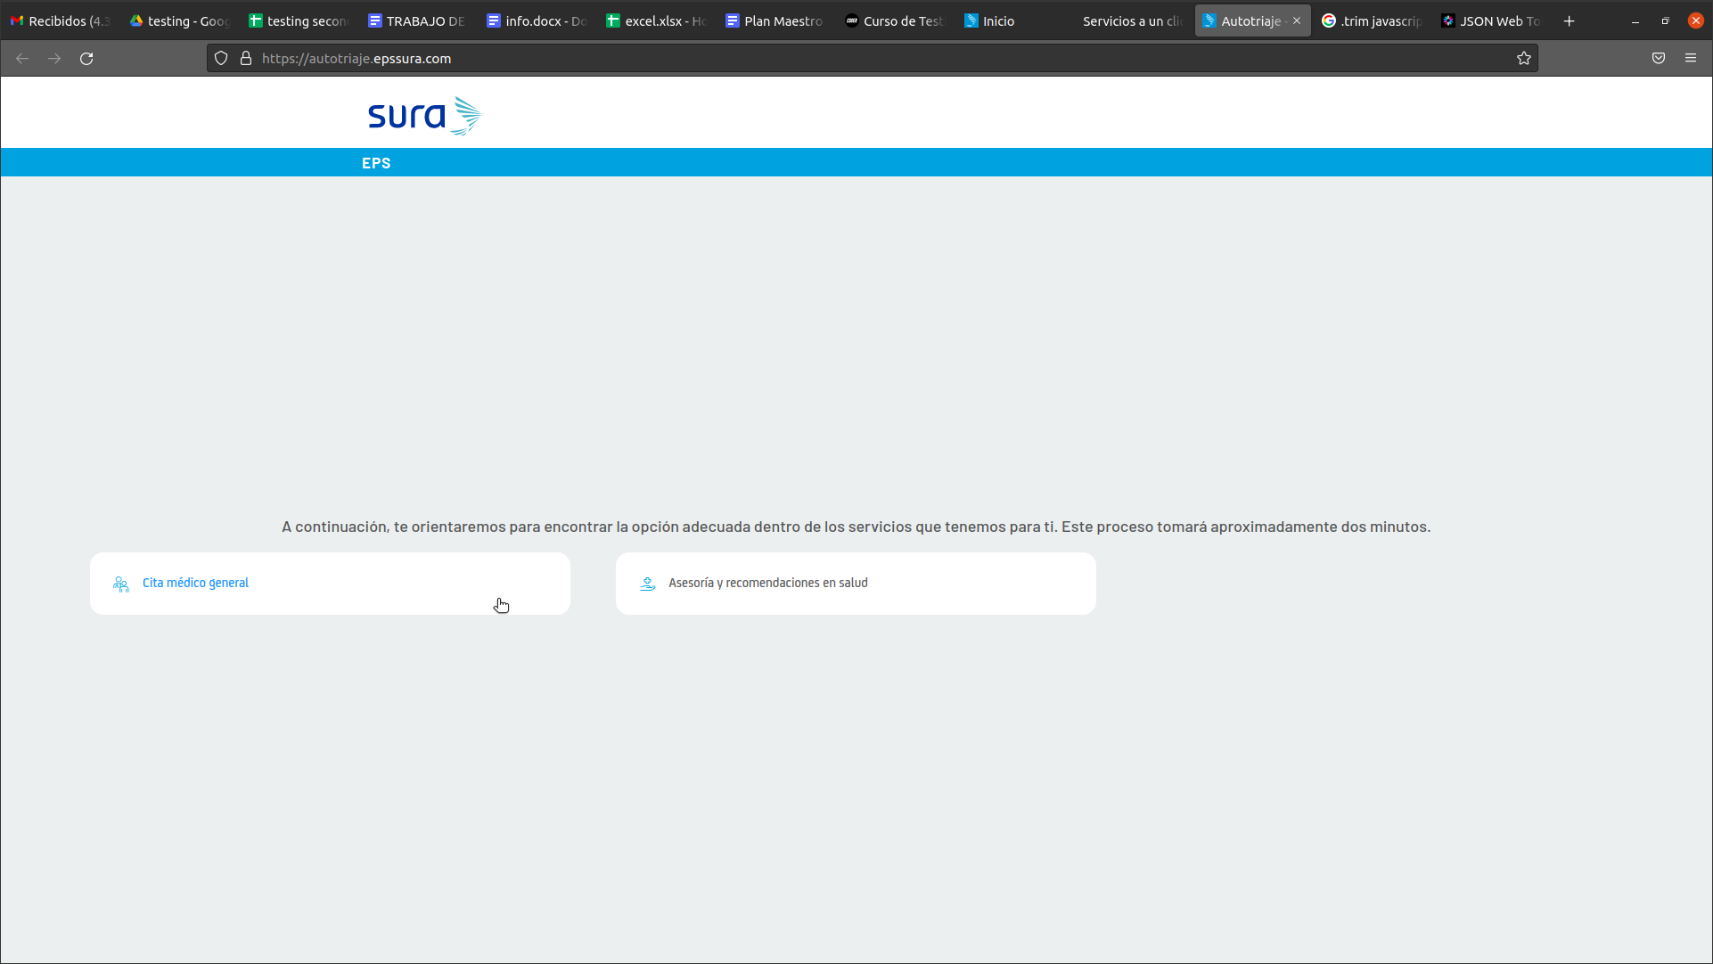
 | 1 |  |  |  |  |  | Access to the web page: https://www.epssura.com/ | The web page is accessible from the browser
 | 2 |  |  |  |  |  | Click the "Iniciar Sesión" section located on the upper-right corner | The button deploys an option list
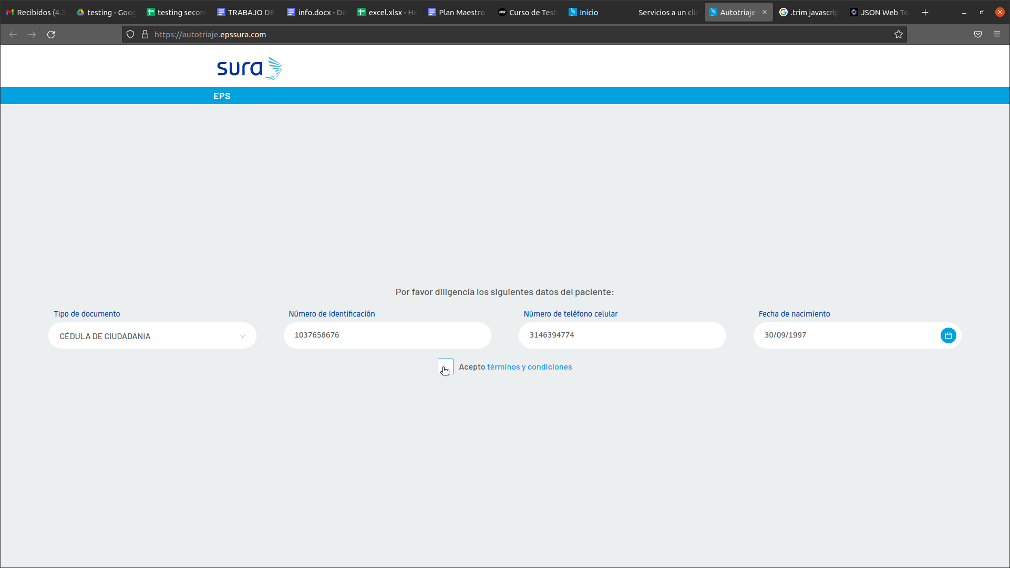
 | 3 |  |  |  |  |  | Click on affiliate services | The page redirects the view to the login interface
 | 4 |  |  |  |  |  | Choose "Cedula" as id type which is the national personal identification | The list choose the option
 | 5 |  |  |  |  |  | Type a correct id and a valid password | The inputs store the user inputs
 | 6 |  |  |  |  |  | Click "iniciar sesión" button | The user is looged and have his/her personal interface
 | 7 |  |  |  |  |  | Click on "solicitud citas medico general" card located on the left bottom side of the user logged interface | The view is redirected to the medical appointments form
 | 8 |  |  |  |  |  | Type correct input values and click "terms & conditions" | The view is redirected to the page of requests

